Summary tables
 | Year | Income Generated Yearly |  | Year | Total no of Orders
 | 2022 | 245,069,980 |  | 2022 | 8,670
 | 2023 | 463,929,098 |  | 2023 | 16,636
 |  | 708,999,078 |  |  | 25,306

Income Generated Monthly
 | INCOME GENERATED MONTHLY |  |  |  |  | Months | 2022 | 2023
 | Months | 2022 | 2023 |  | 1 | Jan | 315 | 975
1 | Jan | 8,931,920 | 26,170,098 |  | 2 | Feb | 320 | 915
2 | Feb | 8,795,365 | 25,254,380 |  | 3 | Mar | 705 | 1,230
3 | Mar | 19,502,059 | 32,865,827 |  | 4 | Apr | 800 | 1,475
4 | Apr | 22,748,867 | 42,218,216 |  | 5 | May | 750 | 1,145
5 | May | 20,608,086 | 32,613,157 |  | 6 | Jun | 690 | 1,025
6 | Jun | 19,604,211 | 28,901,691 |  | 7 | Jul | 700 | 1,025
7 | Jul | 19,935,002 | 28,243,030 |  | 8 | Aug | 810 | 1,620
8 | Aug | 23,631,362 | 45,389,290 |  | 9 | Sep | 855 | 1,830
9 | Sep | 24,115,567 | 51,416,962 |  | 10 | Oct | 835 | 1,625
10 | Oct | 23,991,509 | 44,984,458 |  | 11 | Nov | 895 | 1,850
11 | Nov | 25,162,276 | 51,590,388 |  | 12 | Dec | 995 | 1,921
12 | Dec | 28,043,756 | 54,281,601 |  |  |  | 8,670 | 16,636
 |  | 245,069,980 | 463,929,098

Charts
Revenue by Customer Gender
 | Total
Female | 150,048,737
Male | 558,950,341
Distribution of Customer Gender
 | Total
Female | 5,338
Male | 19,968

Transmission
 | Total
Auto | 375,002,275
Manual | 333,996,803
Customers Preferred Colors
 | Total
Red | 147,652,832
Black | 238,243,163
Pale White | 323,103,083

Engine Type Sales
 | Total
Overhead Camshaft | 12,015
DoubleÃ‚Â Overhead Camshaft | 13,291
Sales for Different Body Type
 | Total
Hardtop | 3,175
Passenger | 4,163
Sedan | 4,753
Hatchback | 6,509
SUV | 6,706

Income Generated by the Regions
 | Total
Aurora | 3,305
Middletown | 3,312
Greenville | 3,315
Pasco | 3,330
Scottsdale | 3,623
Janesville | 4,043
Austin | 4,378
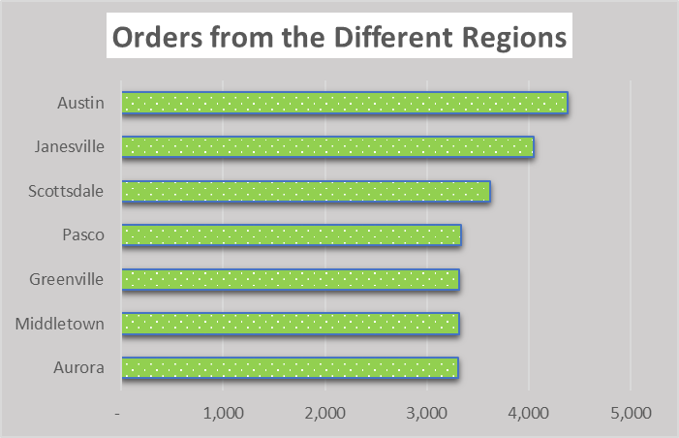

Company's Chart
 | Total
Jaguar | 4,612,875
Hyundai | 5,315,972
Infiniti | 5,870,040
Jeep | 7,948,217
Saab | 8,136,439
Porsche | 8,497,639
Audi | 11,443,641
Subaru | 11,849,201
Buick | 15,544,996
Lincoln | 16,400,274
Acura | 18,071,455
Plymouth | 18,411,878
Saturn | 19,111,274
Honda | 20,805,755
BMW | 21,014,897
Volvo | 23,407,622
Pontiac | 24,745,125
Nissan | 25,425,113
Mercury | 26,855,958
Cadillac | 27,904,364
Lexus | 29,020,209
Chrysler | 30,907,335
Toyota | 34,513,879
Volkswagen | 35,507,695
Mitsubishi | 36,341,302
Mercedes-B | 36,654,146
Oldsmobile | 37,303,525
Dodge | 46,841,841
Ford | 49,813,557
Chevrolet | 50,722,854

The Overall Sales Trend
 | Total
2022 1 | 8931920
2022 2 | 8795365
2022 3 | 19502059
2022 4 | 22748867
2022 5 | 20608086
2022 6 | 19604211
2022 7 | 19935002
2022 8 | 23631362
2022 9 | 24115567
2022 10 | 23991509
2022 11 | 25162276
2022 12 | 28043756
2023 1 | 26170098
2023 2 | 25254380
2023 3 | 32865827
2023 4 | 42218216
2023 5 | 32613157
2023 6 | 28901691
2023 7 | 28243030
2023 8 | 45389290
2023 9 | 51416962
2023 10 | 44984458
2023 11 | 51590388
2023 12 | 54281601

